Final Adusted ABC
Product Number | NET REVENUE | Adjusted Contribution | class Net | Class Adjs Contr | Final Class
1811076 | 135,943.83 € | 70,582.85 € | B | C | C
1811138 | 505,548.43 € | 70,438.91 € | A | C | C
1811091 | 132,555.32 € | 66,947.93 € | B | C | C
1811100 | 159,799.70 € | 66,620.91 € | B | C | C
1811118 | 217,977.10 € | 66,329.04 € | B | C | C
1811099 | 134,018.79 € | 63,369.06 € | B | C | C
1811124 | 119,564.53 € | 51,929.76 € | B | C | C
1811131 | 629,329.28 € | 45,754.20 € | A | C | C
1811023 | 435,812.45 € | 44,676.83 € | A | C | C
1811032 | 558,524.87 € | 43,362.67 € | A | C | C
1811039 | 129,931.20 € | 42,968.65 € | B | C | C
1811120 | 268,203.64 € | 42,137.71 € | A | C | C
1811007 | 85,268.01 € | 41,846.94 € | C | C | C
1811001 | 399,733.80 € | 40,471.32 € | A | C | C
1811014 | 71,728.94 € | 39,555.29 € | C | C | C
1811122 | 209,698.73 € | 39,145.89 € | B | C | C
1811127 | 229,317.90 € | 37,864.98 € | B | C | C
1811080 | 157,312.39 € | 36,434.18 € | B | C | C
1811071 | 105,831.20 € | 34,660.82 € | C | C | C
1811128 | 82,791.92 € | 33,237.77 € | C | C | C
1811066 | 110,544.34 € | 32,793.87 € | B | C | C
1811021 | 346,958.42 € | 30,495.48 € | A | C | C
Adjusted ABC
1811041 | 113,520.33 € | 29,603.14 € | B | C | C
1811024 | 313,953.79 € | 28,950.21 € | A | C | C
1811058 | 176,742.02 € | 26,037.68 € | B | C | C
1811123 | 61,069.68 € | 22,049.67 € | C | C | C
1811072 | 120,562.18 € | 21,671.72 € | B | C | C
1811136 | 189,174.11 € | 21,376.97 € | B | C | C
1811102 | 206,845.19 € | 20,564.22 € | B | C | C
1811132 | 260,508.30 € | 18,500.16 € | A | C | C
1811093 | 33,569.45 € | 17,848.68 € | C | C | C
1811002 | 52,353.42 € | 17,170.54 € | C | C | C
1811018 | 83,066.74 € | 15,989.96 € | C | C | C
1811013 | 37,556.73 € | 15,278.74 € | C | C | C
1811068 | 349,042.27 € | 14,182.41 € | A | C | C
1811116 | 506,261.62 € | 13,177.42 € | A | C | C
1811022 | 596,217.98 € | 12,743.89 € | A | C | C
1811117 | 191,782.27 € | 11,231.85 € | B | C | C
1811004 | 26,118.86 € | 8,184.93 € | C | C | C
1811126 | 51,196.77 € | 5,754.17 € | C | C | C
1811042 | 42,837.63 € | 5,447.27 € | C | C | C
1811110 | 91,330.00 € | 4,506.62 € | C | C | C
1811125 | 15,020.93 € | 3,678.37 € | C | C | C
1811121 | 57,554.74 € | 3,446.20 € | C | C | C
1811038 | 108,686.66 € | 2,610.17 € | B | C | C
1811090 | 20,855.00 € | 622.71 € | C | C | C
1811111 | 7,071.90 € | -51.38 € | C | C | C
1811139 | 4,282.64 € | -296.83 € | C | C | C
1811025 | 5,603.82 € | -829.65 € | C | C | C
1811092 | 124.85 € | -1,076.40 € | C | C | C
1811017 | 456,934.61 € | -1,819.91 € | A | C | C
1811035 | 158,129.74 € | -2,446.60 € | B | C | C
1811103 | 48,345.07 € | -2,597.46 € | C | C | C
1811112 | 11,391.60 € | -3,573.81 € | C | C | C
1811005 | 31,718.51 € | -4,031.14 € | C | C | C
1811113 | 13,278.87 € | -4,500.53 € | C | C | C
1811094 | 8,640.26 € | -4,733.55 € | C | C | C
1811140 | 14,909.82 € | -4,753.66 € | C | C | C
1811048 | 104,924.32 € | -5,114.53 € | C | C | C
1811095 | 18,819.13 € | -5,935.04 € | C | C | C
1811028 | 136,417.73 € | -7,533.23 € | B | C | C
1811098 | 15,421.35 € | -8,227.36 € | C | C | C
1811047 | 86,166.71 € | -8,633.66 € | C | C | C
1811137 | 20,699.50 € | -8,887.27 € | C | C | C
1811109 | 13,064.01 € | -11,608.96 € | C | C | C
1811051 | 14,092.83 € | -12,359.78 € | C | C | C
1811009 | 1,522.57 € | -14,509.06 € | C | C | C
1811027 | 123,497.78 € | -16,599.55 € | B | C | C
1811037 | 10,772.32 € | -17,562.99 € | C | C | C
1811107 | 55,878.91 € | -18,723.78 € | C | C | C
1811045 | 5,871.60 € | -19,694.51 € | C | C | C
1811029 | 103,006.46 € | -22,616.68 € | C | C | C
1811106 | 597,852.95 € | -22,625.11 € | A | C | C
1811097 | 56,941.52 € | -23,009.21 € | C | C | C
1811036 | 2,862.74 € | -23,838.07 € | C | C | C
1811085 | 31,485.17 € | -23,862.49 € | C | C | C
1811108 | 36,134.90 € | -24,738.17 € | C | C | C
1811104 | 16,656.18 € | -26,371.62 € | C | C | C
1811101 | 173,695.96 € | -29,131.43 € | B | C | C
1811049 | 8,749.44 € | -29,147.13 € | C | C | C
1811115 | 18,320.82 € | -29,691.78 € | C | C | C
1811026 | 135,997.39 € | -30,436.53 € | B | C | C
1811134 | 5,760.09 € | -31,939.71 € | C | C | C
1811135 | 108,959.02 € | -32,342.40 € | B | C | C
1811046 | 42,097.13 € | -33,047.55 € | C | C | C
1811096 | 95,271.61 € | -42,221.25 € | C | C | C
1811033 | 1,279,699.30 € | -43,809.41 € | A | C | C
1811119 | 13,992.45 € | -44,457.50 € | C | C | C
1811031 | 140,804.91 € | -47,394.12 € | B | C | C
1811089 | 8,154.70 € | -54,350.20 € | C | C | C
1811030 | 160,774.90 € | -65,933.19 € | B | C | C

NETV VS CONTR
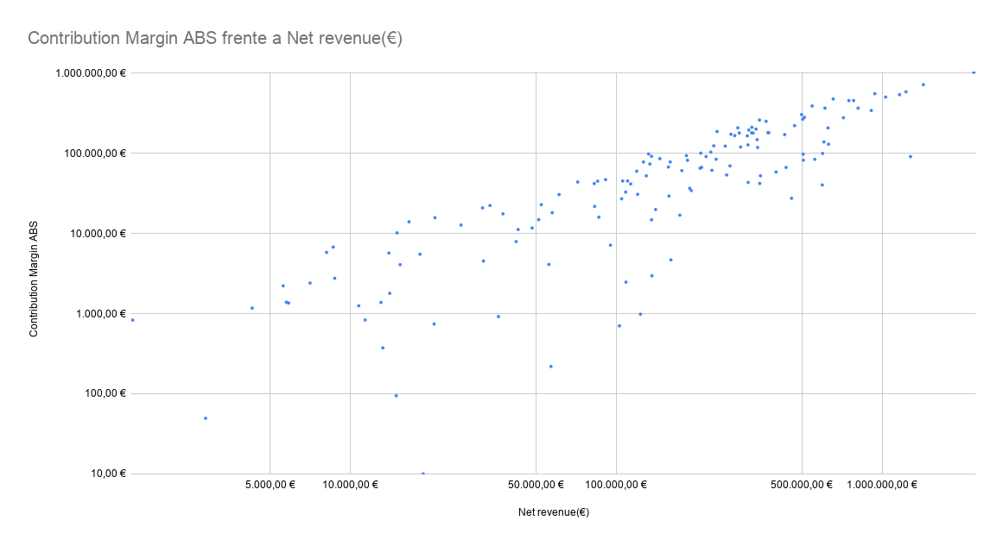
Product Number | Net revenue(€) | Contribution Margin(€)
1811062 | 2,215,020.50 € | 1,030,527.18 €
1811075 | 1,430,252.95 € | 721,585.27 €
1811050 | 1,230,674.78 € | 587,883.44 €
1811043 | 939,525.08 € | 556,887.13 €
1811054 | 1,162,854.84 € | 541,758.28 €
1811063 | 1,031,681.67 € | 505,959.16 €
1811084 | 655,185.30 € | 478,349.10 €
1811011 | 782,039.35 € | 457,422.27 €
1811129 | 750,754.32 € | 456,718.07 €
1811081 | 545,974.66 € | 391,494.46 €
1811060 | 812,827.49 € | 368,241.71 €
1811079 | 610,295.99 € | 367,832.73 €
1811069 | 911,098.98 € | 343,833.10 €
1811130 | 498,317.53 € | 305,837.52 €
1811077 | 510,807.07 € | 282,262.22 €
1811059 | 715,805.58 € | 278,731.61 €
1811078 | 503,187.40 € | 267,351.67 €
1811083 | 346,252.57 € | 261,223.41 €
1811086 | 366,347.59 € | 252,005.26 €
1811067 | 469,021.44 € | 222,247.98 €
1811073 | 323,960.62 € | 212,088.97 €
1811082 | 286,977.64 € | 208,682.32 €
1811114 | 626,981.30 € | 208,253.02 €
1811074 | 335,767.12 € | 201,727.04 €
1811015 | 315,478.17 € | 196,023.27 €
1811087 | 239,805.42 € | 187,574.51 €
1811061 | 372,461.27 € | 182,020.59 €
1811070 | 375,266.54 € | 181,259.98 €
1811010 | 323,271.62 € | 180,864.90 €
1811057 | 290,623.31 € | 180,105.32 €
1811020 | 327,646.85 € | 179,685.11 €
1811088 | 270,403.41 € | 173,676.27 €
1811052 | 430,584.95 € | 171,924.32 €
1811034 | 279,465.89 € | 166,829.99 €
1811019 | 311,496.00 € | 165,778.80 €
1811055 | 339,337.11 € | 148,539.23 €
1811044 | 604,891.25 € | 139,092.89 €
1811131 | 629,329.28 € | 130,229.63 €
1811064 | 313,253.28 € | 127,861.61 €
1811053 | 233,078.47 € | 124,365.76 €
1811003 | 257,331.20 € | 123,445.64 €
1811105 | 294,012.82 € | 120,200.45 €
1811133 | 340,666.68 € | 118,725.47 €
1811065 | 227,156.06 € | 103,960.07 €
1811040 | 208,184.90 € | 100,904.55 €
1811106 | 597,852.95 € | 99,940.09 €
1811091 | 132,555.32 € | 98,472.13 €
1811138 | 505,548.43 € | 98,012.26 €
1811056 | 183,942.79 € | 93,802.59 €
1811076 | 135,943.83 € | 92,084.37 €
1811118 | 217,977.10 € | 91,417.42 €
1811033 | 1,279,699.30 € | 91,237.50 €
1811012 | 146,156.59 € | 86,008.14 €
1811016 | 237,876.58 € | 84,580.91 €
1811032 | 558,524.87 € | 84,329.18 €
1811116 | 506,261.62 € | 82,284.96 €
1811008 | 185,629.15 € | 82,158.56 €
1811006 | 126,819.78 € | 78,299.35 €
1811100 | 159,799.70 € | 78,240.55 €
1811099 | 134,018.79 € | 73,793.12 €
1811120 | 268,203.64 € | 69,810.49 €
1811080 | 157,312.39 € | 67,692.53 €
1811122 | 209,698.73 € | 66,987.02 €
1811023 | 435,812.45 € | 66,795.69 €
1811102 | 206,845.19 € | 65,305.45 €
1811127 | 229,317.90 € | 61,574.41 €
1811058 | 176,742.02 € | 61,036.44 €
1811124 | 119,564.53 € | 59,945.05 €
1811001 | 399,733.80 € | 58,481.23 €
1811132 | 260,508.30 € | 53,826.45 €
1811068 | 349,042.27 € | 52,528.16 €
1811039 | 129,931.20 € | 52,475.42 €
1811110 | 91,330.00 € | 47,095.20 €
1811066 | 110,544.34 € | 45,304.97 €
1811071 | 105,831.20 € | 45,241.32 €
1811007 | 85,268.01 € | 45,063.17 €
1811014 | 71,728.94 € | 43,971.54 €
1811024 | 313,953.79 € | 43,425.02 €
1811021 | 346,958.42 € | 42,195.53 €
1811128 | 82,791.92 € | 42,005.25 €
1811041 | 113,520.33 € | 41,598.44 €
1811022 | 596,217.98 € | 40,447.38 €
1811136 | 189,174.11 € | 36,748.00 €
1811117 | 191,782.27 € | 34,428.41 €
1811038 | 108,686.66 € | 32,918.54 €
1811072 | 120,562.18 € | 30,858.08 €
1811123 | 61,069.68 € | 30,657.31 €
1811035 | 158,129.74 € | 29,353.96 €
1811017 | 456,934.61 € | 27,557.55 €
1811048 | 104,924.32 € | 27,143.29 €
1811002 | 52,353.42 € | 22,938.32 €
1811093 | 33,569.45 € | 22,372.42 €
1811018 | 83,066.74 € | 21,764.88 €
1811085 | 31,485.17 € | 20,894.74 €
1811031 | 140,804.91 € | 19,948.62 €
1811121 | 57,554.74 € | 18,186.19 €
1811013 | 37,556.73 € | 17,606.62 €
1811101 | 173,695.96 € | 16,971.22 €
1811047 | 86,166.71 € | 15,992.94 €
1811090 | 20,855.00 € | 15,761.82 €
1811126 | 51,196.77 € | 14,895.09 €
1811026 | 135,997.39 € | -14,833.82 €
1811104 | 16,656.18 € | -14,021.35 €
1811004 | 26,118.86 € | 12,759.41 €
1811103 | 48,345.07 € | 11,735.45 €
1811042 | 42,837.63 € | 11,212.70 €
1811125 | 15,020.93 € | 10,181.39 €
1811046 | 42,097.13 € | 7,931.67 €
1811096 | 95,271.61 € | -7,153.11 €
1811094 | 8,640.26 € | 6,771.05 €
1811089 | 8,154.70 € | 5,811.31 €
1811119 | 13,992.45 € | 5,705.14 €
1811115 | 18,320.82 € | 5,515.14 €
1811030 | 160,774.90 € | -4,684.45 €
1811005 | 31,718.51 € | 4,527.30 €
1811107 | 55,878.91 € | 4,103.85 €
1811098 | 15,421.35 € | -4,085.08 €
1811028 | 136,417.73 € | 2,966.94 €
1811049 | 8,749.44 € | 2,764.50 €
1811135 | 108,959.02 € | -2,472.29 €
1811111 | 7,071.90 € | 2,411.01 €
1811025 | 5,603.82 € | 2,221.46 €
1811051 | 14,092.83 € | 1,790.94 €
1811134 | 5,760.09 € | 1,389.85 €
1811109 | 13,064.01 € | 1,377.57 €
1811045 | 5,871.60 € | 1,353.84 €
1811037 | 10,772.32 € | -1,251.93 €
1811139 | 4,282.64 € | 1,172.14 €
1811027 | 123,497.78 € | 983.25 €
1811108 | 36,134.90 € | 918.79 €
1811112 | 11,391.60 € | 833.04 €
1811009 | 1,522.57 € | 830.43 €
1811137 | 20,699.50 € | 741.08 €
1811029 | 103,006.46 € | -702.56 €
1811092 | -124.85 € | -547.98 €
1811113 | 13,278.87 € | 374.01 €
1811097 | 56,941.52 € | 218.90 €
1811140 | 14,909.82 € | -94.31 €
1811036 | 2,862.74 € | 49.37 €
1811095 | 18,819.13 € | 9.97 €

